UserForm
 |  | Create a form which captures New Joinee Details (Name,Age,Gender) and display the details on msgbox
 |  | Note: Assign a Macro to a 'Submit' Button

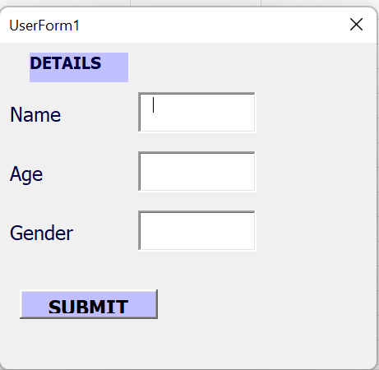
Name | Age | Gender
John | 30 | male
Sam | 25 | Female
Ana | 25 | Female

